Maintaining Parameters
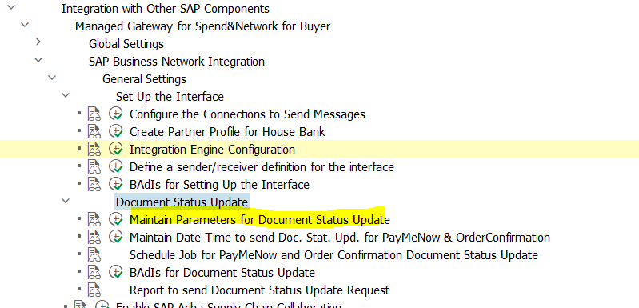
Maintaining Parameters for Document Status Update

Maintaining Date and Time
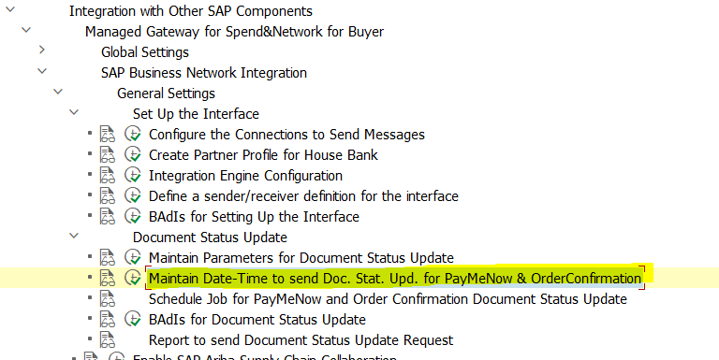
Maintaining Date and Time to Send Document Status Update for PayMeNow and Order Confirmation

Schedule Job-PayMeNow & OrdConf
Scheduling a Job for PayMeNow and Order Confirmation Document Status Update

You can opt to schedule a background job to transmit the status of Pay Me Now and Order Confirmation transactions from the SAP backend system to the SAP Business Network. Utilizing scheduled background jobs is strongly recommended for these reports.

In SAP, scheduling jobs follows a standardized process. Initially, you create a variant manually for the program. This variant is then employed in scheduling the background job. The specific program name linked to this task is ARBCIG_INBOUND_IDOC_SUR.

After you run the report, you can view the status of the report message status using the code SLG1 and using values for the object: ARBCIG_UTILITY and subobject: DOCUMENTSTATUSUPDATE, to filter the results.

You can also run the report ARBCIG_TRIGGER_DOC_STATUS_UPD manually to trigger document status update request.

To schedule a job for PayMeNow and Order Confirmation Document Status Update, perform the following steps:
1. Run the transaction code SM36 – The Define Background Job Screen appears.
2. In the Program field, enter ARBCIG_INBOUND_IDOC_SUR.
3. Follow the instructions in the job scheduling wizard to schedule the program

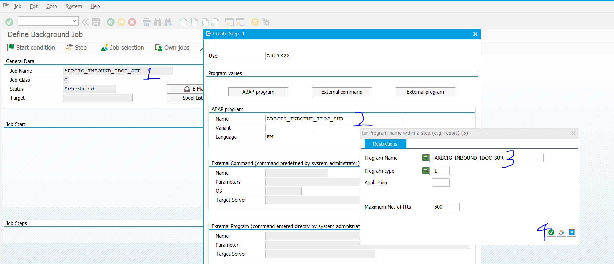

 | SAVE

https://help.sap.com/docs/ABAP_PLATFORM_NEW/b07e7195f03f438b8e7ed273099d74f3/4b2b2954365474fee10000000a421937.html

